Marksheet
Dhanya DhenuMark Sheet

Session :- | Jan-2021
Roll No :- | 1
Class :- | BBA |  | Student Name | : | Priyanka
Date Of Birth | 1987-04-25 |  | Father's Name | : | Mr Negi

Subject | Total Marks | Pass/Marks | Obtained Marks | Perstenge | Fail/Pass
English | 100 | 33 | 28 | 28 | Fail
Basic | 100 | 33 | 88 | 88 | PASS
Web Designing | 100 | 33 | 64 | 64 | PASS
Graphics | 100 | 33 | 27 | 27 | FAIL
Animation | 100 | 33 | 68 | 68 | PASS
Digi Health Care | 100 | 33 | 36 | 36 | PASS
Digital Marketing | 100 | 33 | 16 | 16 | FAIL

 |  |  |  | Total Marks | 700
 |  |  |  | Obtained Marks | 327
 |  |  |  | Perstenge | 46.71
 |  |  |  | Fail/Sub. | 3
 |  |  |  | Pass/Sub. | 4
Date:- | 2023-11-21
 |  |  |  |  | Principal

Marks
Roll no | Education | Trainee Name | Father Name | D.O.B | SoftSkill | Basic | Web Designing | Graphics | Animation | Digi Health Care | Digital Marketing | Photo
1 | BBA | Priyanka | Mr Negi | 1987-04-25 | 28 | 88 | 64 | 27 | 68 | 36 | 16 | 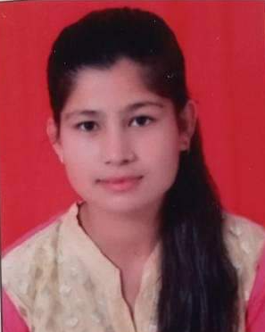
2 | MCA | Niki | SatyaN | 2008-12-28 | 78 | 73 | 84 | 59 | 68 | 45 | 29 | 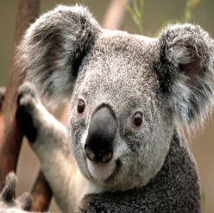
3 | Btech | Arohi | Chitranjan | 2007-11-07 | 90 | 84 | 85 | 62 | 91 | 43 | 46 | 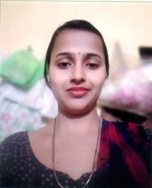
4 | 12th | Anchal | Anurag Mark Topno | 1985-11-25 | 85 | 88 | 88 | 61 | 94 | 39 | 35 | 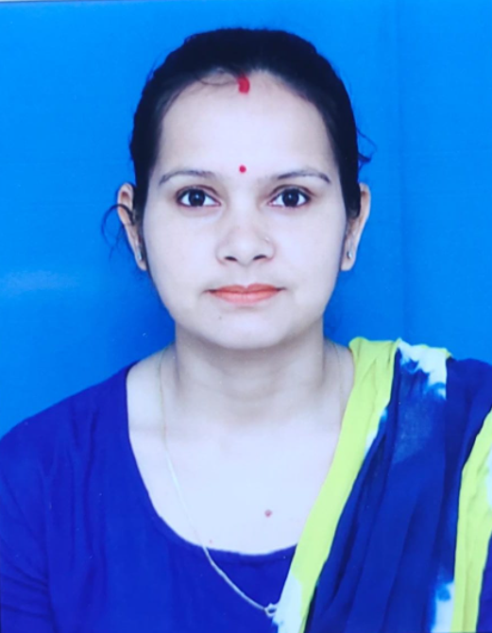
5 | MBA | Ankit | Tarun Minz | 2008-07-11 | 95 | 65 | 92 | 91 | 76 | 38 | 32 | 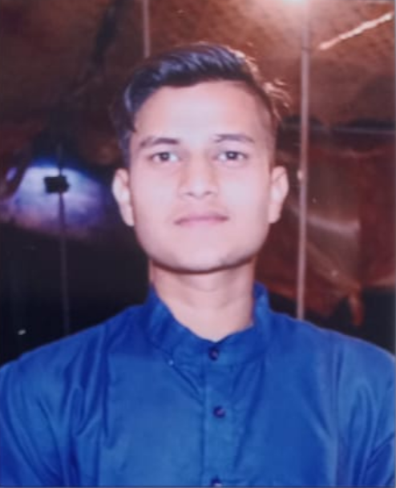
6 | BCA | Anmol | Praveen Rao Rokkam | 2007-07-08 | 72 | 54 | 96 | 50 | 99 | 50 | 49 | 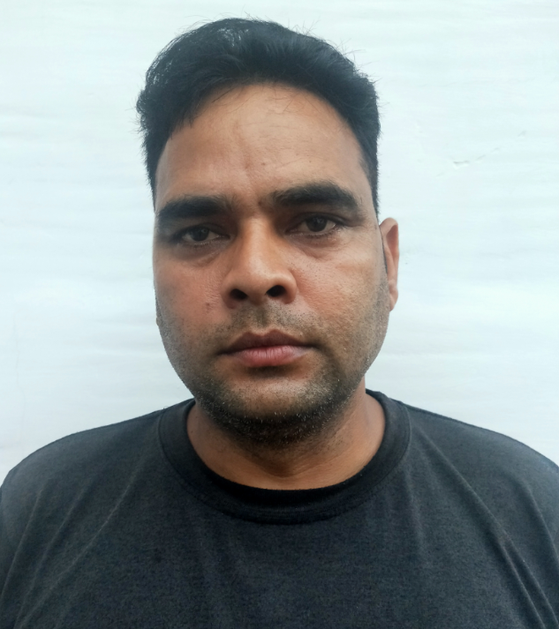
7 | BIT | Sumit | Mahaveer | 1990-10-01 | 22 | 43 | 58 | 26 | 60 | 40 | 43 | 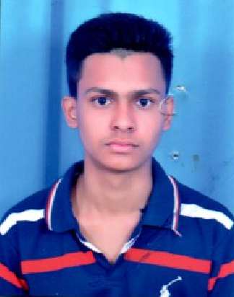
8 | Btech | Anant | KS Rana | 1991-10-15 | 18 | 75 | 56 | 33 | 48 | 37 | 38
9 | BHM | Sagar | Nakul Gupta | 1987-04-25 | 56 | 96 | 38 | 47 | 77 | 48 | 23
10 | 10th | Himanshu | Gaurav Kumar | 2008-12-28 | 71 | 81 | 95 | 37 | 64 | 49 | 33
11 | MCOM | Varsha | Amit Kumar | 2007-11-07 | 64 | 10 | 95 | 33 | 94 | 34 | 35
12 | BSC | Joyti | Biplab Sinha | 1985-11-25 | 84 | 29 | 70 | 40 | 66 | 27 | 25
13 | BA | Kajal | Mukesh | 2008-07-11 | 58 | 43 | 64 | 85 | 59 | 24 | 28
14 | BBA | Khushi | Mahaveer | 2007-07-08 | 65 | 63 | 48 | 24 | 20 | 26 | 17
15 | MCA | Shalu | Naresh | 1990-10-01 | 25 | 50 | 57 | 69 | 34 | 17 | 20
16 | Btech | Nandani | Amit Kumar | 1991-10-15 | 14 | 84 | 50 | 75 | 84 | 14 | 45
17 | 12th | Nikhal | Amar Singh Patel | 1987-04-25 | 87 | 30 | 45 | 94 | 40 | 24 | 18
18 | MBA | Nitin | Rahul Jaimini | 2008-12-28 | 65 | 73 | 83 | 68 | 91 | 20 | 41
19 | BCA | Pooja | Surendra | 2007-11-07 | 36 | 58 | 3 | 49 | 12 | 49 | 13
20 | BIT | Anju | Jugal | 1985-11-25 | 45 | 83 | 60 | 73 | 56 | 33 | 27
21 | Btech | Piyush | Divya Kumar Kala | 2008-07-11 | 68 | 44 | 88 | 71 | 76 | 35 | 27
22 | BHM | Priya | Sri Harshad | 2007-07-08 | 58 | 69 | 70 | 82 | 85 | 39 | 43
23 | 10th | Hardik | RSilswal | 1990-10-01 | 24 | 45 | 74 | 45 | 88 | 37 | 24
24 | MCOM | Shruti | SherSingh | 1991-10-15 | 65 | 52 | 61 | 65 | 49 | 45 | 46
25 | BSC | Tiwari | Suman | 1987-04-25 | 88 | 46 | 95 | 42 | 74 | 29 | 44
26 | BA | Shakshi | Dharamveer | 2008-12-28 | 75 | 68 | 77 | 38 | 81 | 27 | 14
27 | BBA | Sachin | Debabrata Dey | 2007-11-07 | 88 | 74 | 89 | 46 | 89 | 26 | 48
28 | MCA | Ayush | Satendra | 1985-11-25 | 84 | 54 | 96 | 27 | 93 | 56 | 29
29 | Btech | Shivani | Bisht | 2008-07-11 | 43 | 57 | 80 | 46 | 77 | 47 | 17
30 | 12th | Kushi | Mahaveer | 2007-07-08 | 75 | 96 | 47 | 19 | 14 | 32 | 13
31 | MBA | Kajam | Ravi Rattan Boipai | 1990-10-01 | 50 | 54 | 65 | 48 | 30 | 24 | 23
32 | BCA | Ajay | Sharma | 1991-10-15 | 16 | 32 | 62 | 72 | 66 | 22 | 15
33 | BIT | Vanshika | Bishal Lama | 1983-08-04 | 94 | 44 | 40 | 45 | 60 | 8 | 36

